Poro
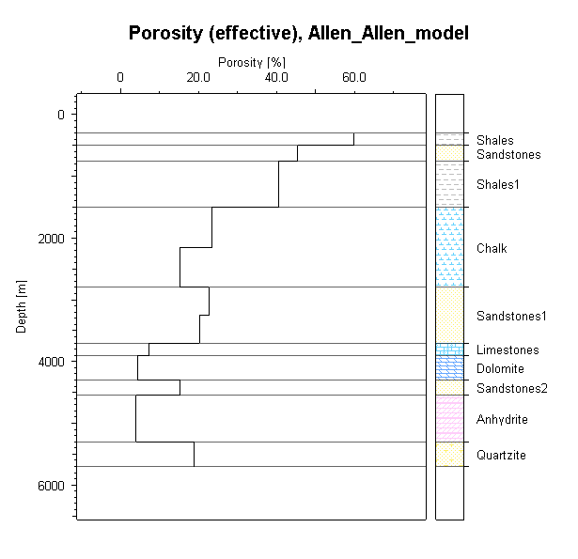
Model: | Allen_Allen_model |  |  |  | Model: | Allen_Allen_model |  |  | Model: | Allen_Allen_model |  |  | Model: | Allen_Allen_model |  |  | Model: | Allen_Allen_model |  |  | Model: | Allen_Allen_model |  |  | Model: | Allen_Allen_model |  |  | Model: | Allen_Allen_model |  |  | Model: | Allen_Allen_model |  |  | Model: | Allen_Allen_model
Time : | 0 Ma |  |  |  | Time : | -45 Ma |  |  | Time : | -55 Ma |  |  | Time : | -80 Ma |  |  | Time : | -100 Ma |  |  | Time : | -125 Ma |  |  | Time : | -145 Ma |  |  | Time : | -160 Ma |  |  | Time : | -210 Ma |  |  | Time : | -245 Ma
 |  |  | Porosity (effective) |  |  |  |  | Porosity (effective) |  |  |  | Porosity (effective) |  |  |  | Porosity (effective) |  |  |  | Porosity (effective) |  |  |  | Porosity (effective) |  |  |  | Porosity (effective) |  |  |  | Porosity (effective) |  |  |  | Porosity (effective) |  |  |  | Porosity (effective)
Layer | Lithology | Depth | Porosity |  | Layer | Lithology | Depth | Porosity | Layer | Lithology | Depth | Porosity | Layer | Lithology | Depth | Porosity | Layer | Lithology | Depth | Porosity | Layer | Lithology | Depth | Porosity | Layer | Lithology | Depth | Porosity | Layer | Lithology | Depth | Porosity | Layer | Lithology | Depth | Porosity | Layer | Lithology | Depth | Porosity
 |  | meter[m] | percent[%] |  |  |  | meter[m] | percent[%] |  |  | meter[m] | percent[%] |  |  | meter[m] | percent[%] |  |  | meter[m] | percent[%] |  |  | meter[m] | percent[%] |  |  | meter[m] | percent[%] |  |  | meter[m] | percent[%] |  |  | meter[m] | percent[%] |  |  | meter[m] | percent[%]
Shales | Shale_allen | 300 | 59.79 |  | Sandstones | Sandstone_allen | 325 | 47.32 | Shales1 | Shale_allen | 350 | 48.98 | Chalk(Part 2/2) | Chalk_allen | 300 | 46.55 | Sandstones1(Part 2/2) | Sandstone_allen | 200 | 44.93 | Limestones | Limestone_allen | 20 | 36.64 | Dolomite | Dolomite_allen | 20 | 17.5 | Sandstones2 | Sandstone_allen | 10 | 46.44 | Anhydrite | Anhydrite_allen | 20 | 5 | Quartzite | Quartzite_allen | 0 | 18.88
Sandstones | Sandstone_allen | 500 | 45.41 |  | Shales1 | Shale_allen | 584 | 43.39 | Chalk(Part 2/2) | Chalk_allen | 1225 | 28.56 | Chalk(Part 1/2) | Chalk_allen | 1231 | 26.56 | Sandstones1(Part 1/2) | Sandstone_allen | 832 | 38.31 | Dolomite | Dolomite_allen | 312 | 15.58 | Sandstones2 | Sandstone_allen | 483 | 38.11 | Anhydrite | Anhydrite_allen | 406 | 4.93 | Quartzite | Quartzite_allen | 778 | 18.88
Shales1 | Shale_allen | 750 | 40.49 |  | Chalk(Part 2/2) | Chalk_allen | 1373 | 25.25 | Chalk(Part 1/2) | Chalk_allen | 1921 | 18.11 | Sandstones1(Part 2/2) | Sandstone_allen | 1981 | 28.73 | Limestones | Limestone_allen | 1414 | 21.35 | Sandstones2 | Sandstone_allen | 765 | 35.14 | Anhydrite | Anhydrite_allen | 826 | 4.78 | Quartzite | Quartzite_allen | 1163 | 18.88
Chalk(Part 2/2) | Chalk_allen | 1500 | 23.45 | среднее | Chalk(Part 1/2) | Chalk_allen | 2038 | 16.32 | Sandstones1(Part 2/2) | Sandstone_allen | 2594 | 24.5 | Sandstones1(Part 1/2) | Sandstone_allen | 2470 | 25.33 | Dolomite | Dolomite_allen | 1650 | 10.5 | Anhydrite | Anhydrite_allen | 1092 | 4.71 | Quartzite | Quartzite_allen | 1582 | 18.88
Chalk(Part 1/2) | Chalk_allen | 2150 | 15.21 |  | Sandstones1(Part 2/2) | Sandstone_allen | 2697 | 23.43 | Sandstones1(Part 1/2) | Sandstone_allen | 3055 | 21.75 | Limestones | Limestone_allen | 2951 | 10.8 | Sandstones2 | Sandstone_allen | 2077 | 26.91 | Quartzite | Quartzite_allen | 1847 | 18.88
Sandstones1(Part 2/2) | Sandstone_allen | 2800 | 22.66 | среднее | Sandstones1(Part 1/2) | Sandstone_allen | 3151 | 20.84 | Limestones | Limestone_allen | 3514 | 8.39 | Dolomite | Dolomite_allen | 3158 | 6.09 | Anhydrite | Anhydrite_allen | 2367 | 4.49
Sandstones1(Part 1/2) | Sandstone_allen | 3250 | 20.18 |  | Limestones | Limestone_allen | 3605 | 7.81 | Dolomite | Dolomite_allen | 3716 | 4.96 | Sandstones2 | Sandstone_allen | 3565 | 18.73 | Quartzite | Quartzite_allen | 3121 | 18.88
Limestones | Limestone_allen | 3700 | 7.41 |  | Dolomite | Dolomite_allen | 3806 | 4.68 | Sandstones2 | Sandstone_allen | 4118 | 16.3 | Anhydrite | Anhydrite_allen | 3826 | 4.17
Dolomite | Dolomite_allen | 3900 | 4.48 |  | Sandstones2 | Sandstone_allen | 4207 | 15.67 | Anhydrite | Anhydrite_allen | 4372 | 4.05 | Quartzite | Quartzite_allen | 4578 | 18.88
Sandstones2 | Sandstone_allen | 4300 | 15.21 |  | Anhydrite | Anhydrite_allen | 4458 | 4.02 | Quartzite | Quartzite_allen | 5122 | 18.88
Anhydrite | Anhydrite_allen | 4550 | 3.99 |  | Quartzite | Quartzite_allen | 5208 | 18.88
Quartzite | Quartzite_allen | 5300 | 18.88

